Results
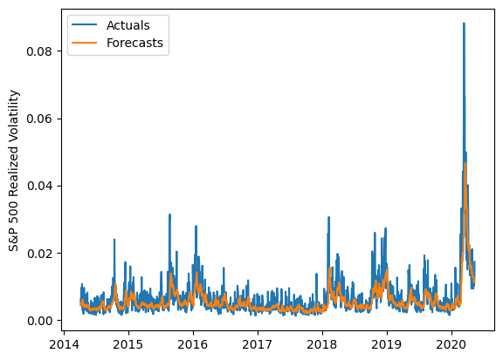
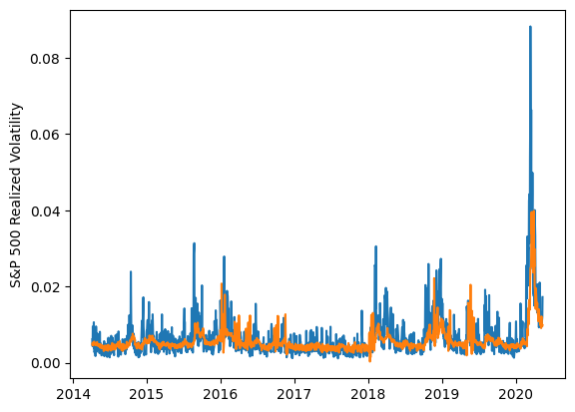
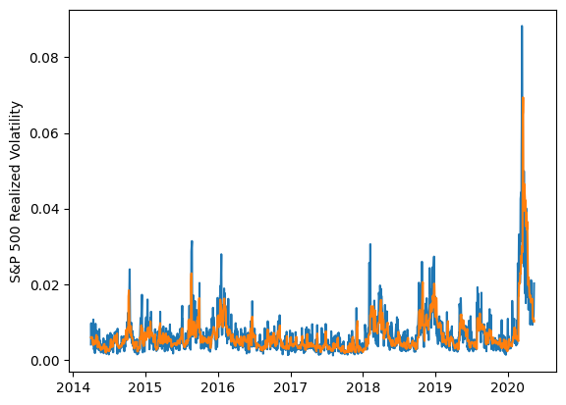
 | LSTM |  |  | TCN |  |  | NBEATSx |  |  |  |  | LSTM |  |  | TCN |  |  | NBEATSx
 | Accuracy | RMSE | Qlike | Accuracy | RMSE | Qlike | Accuracy | RMSE | Qlike |  |  | Accuracy | RMSE | Qlike | Accuracy | RMSE | Qlike | Accuracy | RMSE | Qlike
Trial 1 | 65.44% | 0.0023936887243 | 0.12541220693 | 53.84% | 0.0026466652739 | 0.14175152223 | 65.85% | 0.0022370184626 | 0.09232921285 |  | Mean | 56.98% | 0.252% | 0.127 | 50.33% | 0.275% | 0.159 | 65.60% | 0.224% | 0.093
Trial 2 | 60.34% | 0.0023417102192 | 0.099794100904 | 48.79% | 0.0027243017811 | 0.16280269689 | 66.79% | 0.0022172130025 | 0.095047618983 |  | Standard Deviation | 8.89% | 0.021% | 0.039 | 6.83% | 0.024% | 0.032 | 0.76% | 0.003% | 0.002
Trial 3 | 63.71% | 0.0025841692019 | 0.17631784022 | 57.11% | 0.0026822752376 | 0.13610045762 | 64.56% | 0.0022896870419 | 0.094805815614 |  | 95% CI upper bound | 74.75% | 0.293% | 0.205 | 63.99% | 0.324% | 0.224 | 67.11% | 0.230% | 0.096
Trial 4 | 65.26% | 0.0024276397257 | 0.14085707074 | 30.88% | 0.0035235237035 | 0.25830733732 | 66.10% | 0.0022380801367 | 0.09427525258 |  | 95% CI lower bound | 39.20% | 0.210% | 0.049 | 36.66% | 0.226% | 0.095 | 64.09% | 0.218% | 0.089
Trial 5 | 52.16% | 0.0025084204335 | 0.10555114657 | 47.83% | 0.0027828342168 | 0.17098728391 | 66.03% | 0.0022086942486 | 0.090686735844 |  | 99.7% CI upper bound | 83.64% | 0.314% | 0.245 | 70.82% | 0.348% | 0.257 | 67.87% | 0.233% | 0.098
Trial 6 | 57.40% | 0.0024036169634 | 0.10246454488 | 49.85% | 0.0027633273195 | 0.15953410898 | 65.99% | 0.0022108326585 | 0.090592183312 |  | 99.7% CI lower bound | 30.31% | 0.189% | 0.009 | 29.83% | 0.202% | 0.062 | 63.33% | 0.216% | 0.087
Trial 7 | 54.24% | 0.0024939205088 | 0.10627817415 | 46.99% | 0.0027532229885 | 0.17026406755 | 64.04% | 0.0023086543199 | 0.095352982452
Trial 8 | 60.27% | 0.0023807661196 | 0.11792288769 | 53.48% | 0.0026685290264 | 0.14486222476 | 66.15% | 0.0022143225258 | 0.090977695209
Trial 9 | 49.42% | 0.0025721243187 | 0.10998975739 | 54.12% | 0.0025496242024 | 0.14053783016 | 66.26% | 0.0022255754531 | 0.093350775269
Trial 10 | 57.24% | 0.0024150627207 | 0.10288892434 | 56.93% | 0.0025031337826 | 0.12733544542 | 65.02% | 0.0022531996701 | 0.092313043635
Trial 11 | 62.75% | 0.0027175999739 | 0.24762141516 | 51.17% | 0.0027360231404 | 0.15126101266 | 66.18% | 0.0022240853128 | 0.091132620569
Trial 12 | 55.40% | 0.0024787993395 | 0.1088293027 | 56.91% | 0.0026261608233 | 0.13288158973 | 65.05% | 0.0022511500003 | 0.091210328048
Trial 13 | 58.07% | 0.0024401535014 | 0.1057580506 | 51.07% | 0.0026555108504 | 0.15131614013 | 64.79% | 0.0022413931139 | 0.0893349186
Trial 14 | 29.85% | 0.0031848227319 | 0.14144149304 | 54.01% | 0.0026081437946 | 0.14996641225 | 65.79% | 0.0022393278811 | 0.093969124777
Trial 15 | 63.10% | 0.0023846365416 | 0.11322974005 | 41.93% | 0.0029999136331 | 0.19452706197 | 65.43% | 0.0022594809263 | 0.094175553921

 | LSTM (best trial) |  |  |  |  |  |  |  |  | TCN (best trial) |  |  |  |  |  |  |  |  | NBEATSx (best trial)

